Sheet1
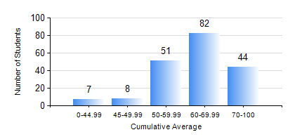
 |  |  | KWAME NKRUMAH UNIVERSITY OF SCIENCE AND TECHNOLOGY, KUMASI Department of Mechanical Engineering

 |  |  | BSC. MECHANICAL ENG.

 |  |  | COMPREHENSIVE RECORD OF EXAMINATION RESULTS

 |  |  | RESULTS OF YEAR 3 SECOND SEMESTER, 2023/2024 ACADEMIC YEAR

 | Sn | Course Code |  | Course Name | Credit Hours | Min. Mark | Max. Mark | Avg. Mark | Std. Dev. | No. Passed | No. Trailed | No. (Df) | No. (I) | No. (I*) | No. Tagged(I,I*,Df) | Total
 | 0. |  |  |  |  |  |  | 0 | 0 | 0 | 0 | 0 | 0 | 0 | 0 | 6
 | 1. | EE 252 |  | ELECTRICAL ENGINEERING MACHINES | 2 | 40 | 85 | 65 | 10.14 | 181 | 0 | 0 | 5 | 0 | 5 | 186
 | 2. | ME 352 |  | FLUID DYNAMICS II | 3 | 40 | 78 | 50 | 10.09 | 185 | 0 | 0 | 1 | 0 | 1 | 186
 | 3. | ME 356 |  | STRENGTH OF MATERIALS II | 3 | 40 | 78 | 53 | 12.18 | 184 | 0 | 0 | 2 | 0 | 2 | 186
 | 4. | ME 362 |  | VIBRATIONS I | 3 | 19 | 82 | 55 | 11.94 | 168 | 14 | 0 | 4 | 0 | 4 | 186
 | 5. | ME 366 |  | HEAT TRANSFER | 3 | 31 | 92 | 66 | 12.68 | 183 | 1 | 0 | 2 | 0 | 2 | 186
 | 6. | ME 374 |  | MACHINE ELEMENTS DESIGN II | 2 | 13 | 95 | 65 | 17.83 | 168 | 16 | 0 | 2 | 0 | 2 | 186
 | 7. | ME 392 |  | INDUSTRIAL ENGINEERING AND ERGONOMICS | 2 | 28 | 93 | 56 | 13.47 | 174 | 10 | 0 | 2 | 0 | 2 | 186
 | 8. | ME 396 |  | MECHANICAL ENGINEERING LABORATORY IV | 1 | 43 | 93 | 76 | 12 | 185 | 0 | 0 | 1 | 0 | 1 | 186

